Sheet1
Name: | YEVGENY GRAZIO MARI ALBANO | Exercise/Laboratory: | Assignment 03 Client Side Scripting
Block/Section: | IT 5108 | Date: | 10 / 05 / 2023
Github Repository Link:
Laboratory #1

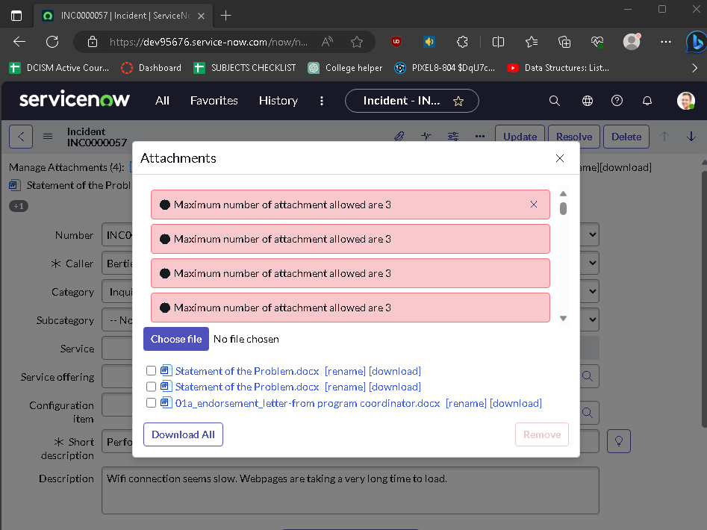
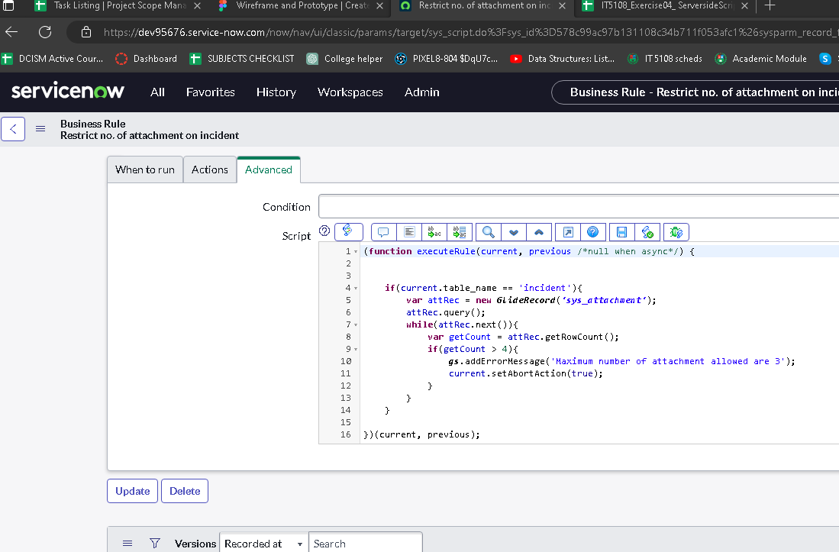

Laboratory #2

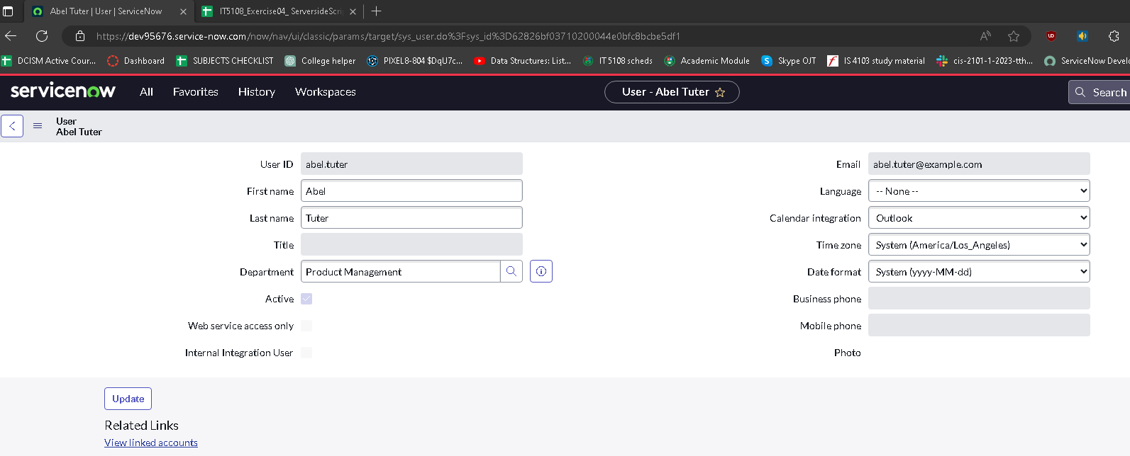

Script

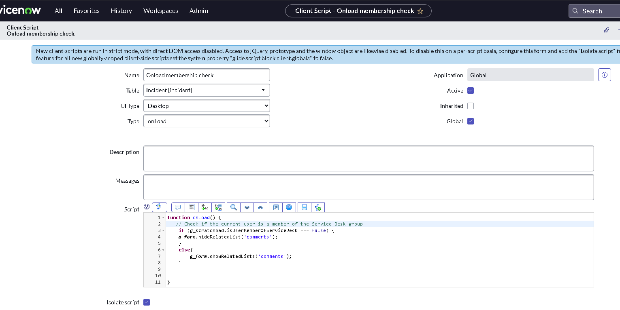
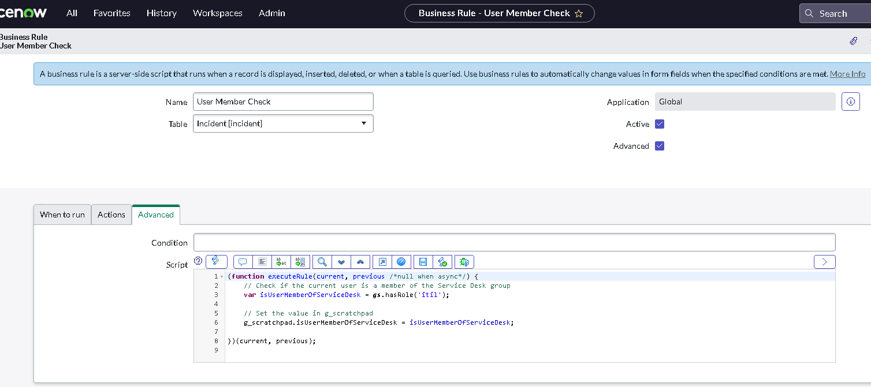

Laboratory 3: A. How does the breakpoints appear in breakpoints tab in the script debugger?
B. Does a pop-up appear after a record is saved in NeedIt record?
C. How does the breakpoints appear in the call stack tab of script debugger?
D. What should be the value of current and previous object of short description?
E. Value for myNum variable
F. How does the console in script debugger display the values of short description?
G. Verify that logs appear in system logs > system logs > All about the runtime error due to the business rule.

B
A
C
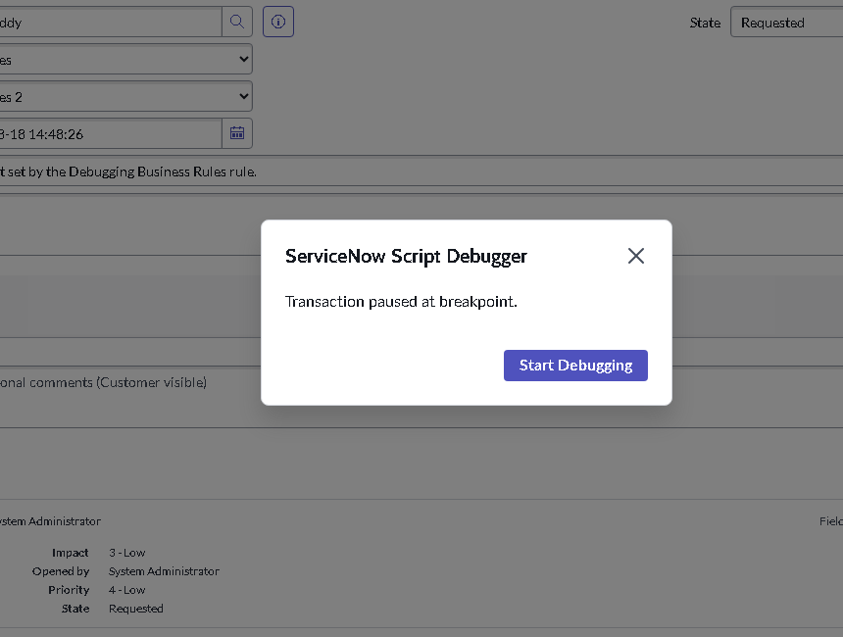
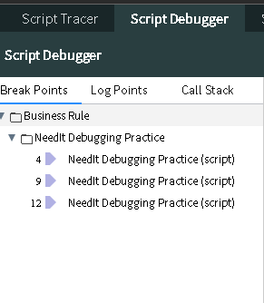
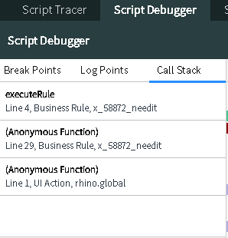

E

D
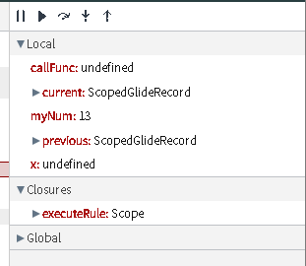
F

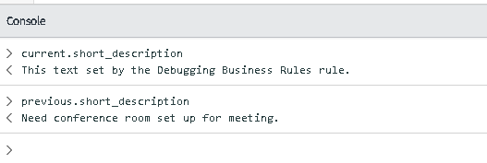

This is the current and previous values base on the code and debugger

Data for myNum was taken from current state which has a defined value of 13

G

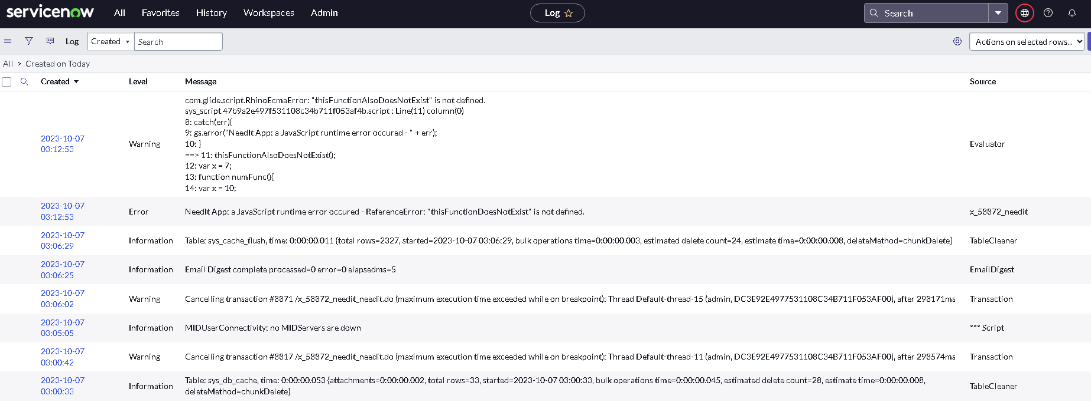

All the logs appear in the system logs, it shows where information for run time errors and warnings. Some warning are shown because some functions were not defined.

